Sheet1
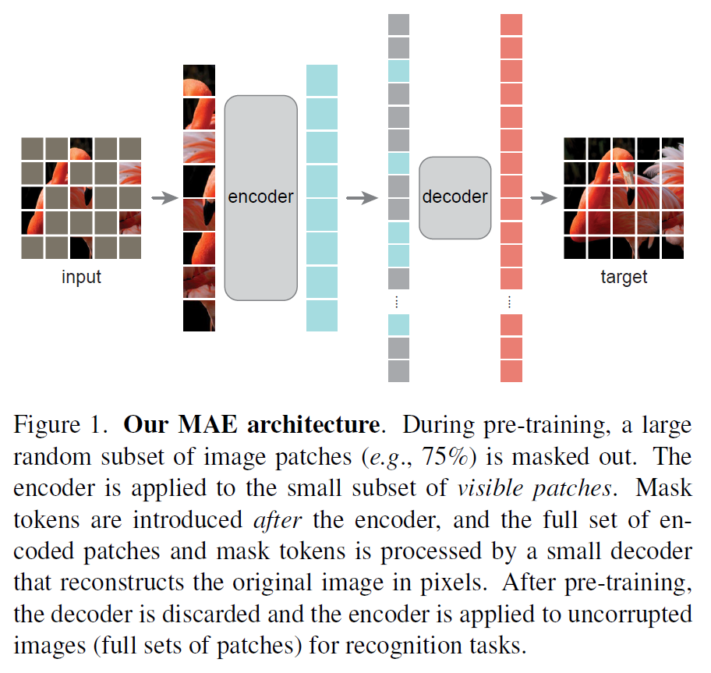
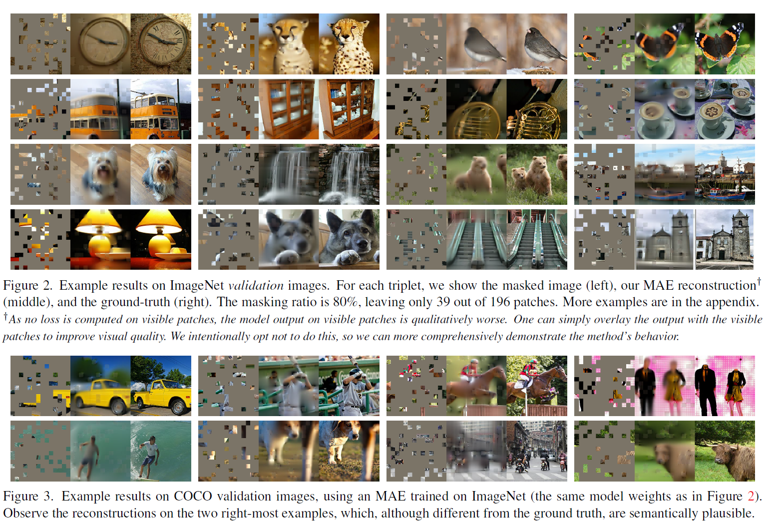
title | Masked Autoencoders Are Scalable Vision Learners
author | Kaiming He Xinlei Chen Saining Xie Yanghao Li Piotr Doll´ar Ross Girshick |  |  | FAIR
abstract | auto | input and output come from the same sample
 | MAE | masked some patchs of one image, then we predict the missing pixels
 |  | similar like BERT
 |  | an asymmetric encoder-decoder architecture
 |  | masking a high proportion of input image yields a nontrivial and meaningful self-supervisory task
introduction | the idea of masked autoencoders comes from denoising autoencoders
 | the CNN networks cann't using masked algorithm
 | information density is different between language and vision, language have a high desity
 | vision has no higher density than language, because some missing pixel can recover by interpolation from the neighbor pixels
 | masking a very high portion of radom patches
 | this strategy largely reduces redundancy and creates a challenging self-supervisory task that requires holistic understanding beyond low-level image statistics
related work | masked language modeling, such as BERT and GPT
 | autoencoding | MAE is a form of denoising autoencoding
 |  | MAE is different from the classical DAE in numerous ways
 | masked image encoding | iGBT, BEiT
 | self-supervised learning | contrastive learning
approach | MAE is a simple autoencodeing approach that reconstructs the original signal given its partial observation
 | encoder maps the observed signal to a latent representation
 | decoder reconstructs the original signal from the latent representation |  | latent representation is semantic space
 | masking | random sampling; only sample small scalar of patches
 | MAE encoder | ViT encoder but applied only on visible, unmasked patches
 |  | linear projection with added positional embeddings and then processes the resulting set via a series of transfomer blocks
 | MAE decoder | input of decoder is the full set of tokens
 |  | (i) encoded visible patches
 |  | (ii) mask tokens
 |  | each mask token is a shared, learned vector that indicates the presence of a missing patch to be predicted
 | reconstruction target | MAE reconstructs the input by predicting the pixel values for each masked patch
 |  | the loss function only applied on mask tokens
 |  | normalization when training
 |  | what about predicting?
 | simple implementation | generate a token for every input patch
 |  | randomly shuffle the list of tokens and remove the last portion of list, based on the masking ratio
experiments | ImageNet (self-supervised) | end2end fine-tuning: modify all parameters of model
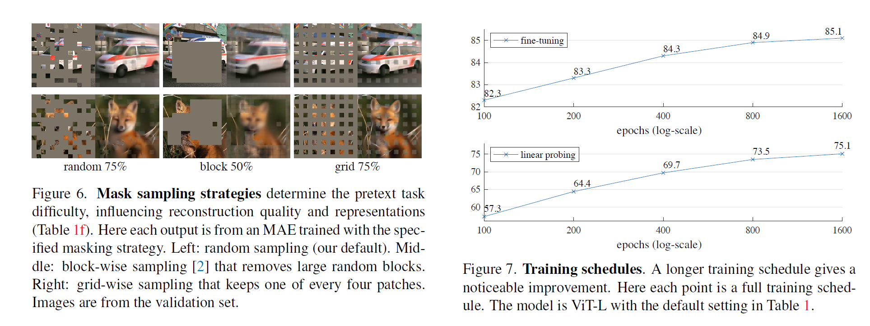
 |  | linear probing: only modify output layer
 | blocks of transformer | a deep deconder can improve linear probing accuracy
 |  | best: 8
 | dimensions of token | the decoder can be nerrower than the encoder
 |  | best: 512
 | mask case | an encoder w/o mask tokens is more accurate and faster
 |  | best: encoder w/o [M]
 | reconstruction target | pixels as reconstruction targets are effctive
 |  | bet: pixel (w/ norm)
 | data augmentation | MAE works with minimal or no augmentation
 |  | best: crop, rand size
 | mask sampling | random sampling works the best
 |  | best: random
 | transfer learning | COCO objection and segmentation perform better than BiRT and MoCo v3
conclusion | simple algorithms that scale well are the core of deep learning
 | MAE can learn a rich hidden representation
 | MAE can generate a image which is non-existing, when applying it to other thing, you should consider the safety

